Welcome
Welcome to a guide to creating your own financial spreadsheet, created by Daniel Mak for Engineering Finance. Here, we will walk you through creating a basic income/expenses tracker. The skills you will learn through this include professional layout, keyboard shortcuts, equation and formating. To start, select the Setup tab down below.
Daniel Mak
28/08/2020

https://www.engineeringfinance.co.nz/

Setup
For best practice when creating any spreadsheet, you should start with a title, followed by your name and the date.
A little short cut when entering a date, just select a cell and press 'ctrl + ;'. If you want to put in the time instead, use 'ctrl + shift + ;'.
This workbook will focus on how to build a spreadsheet to help you track your spending.
The first part of this would be the date. Put the date you wish to start tracking from in cell A6. Now, there are multiple ways to quickly add multiple dates. The first way is to select A6 then click and drag the little box in the bottom right (see the first picture below) down as far as you wish. Alternatively, Excel saves dates as a number then formats that number, so to change the date, go to cell A7 and enter the formula '=A6+1'. This will increase the date by one. This is very helpful if you want to make each row every other day or every week (+2 or +7 instead of +1).
Next, you can add the categories for where your money goes in and out. I have put in just a few for this lesson, you may wish to be more specific- breaking bills into rent, electricity and internet- or add your own categories. I also recommend adding the titles 'In' and 'Out'.
Finally, you can add the difference column. To create the equation, enter the formula '=sum(B6:D6)-sum(E6:G6)', or wherever your in and out categories start and end. The easiest way to do this is to start writing '=sum(' and then select the cells you wish to be included by clicking and draging them, then typing ')-sum(' and repeating for the out categories. An alternative methods include typing '=sum(' and then holding 'Ctrl' and individually selecting the cells you wish to be added together. This is good if you are wanting to add cell that aren't next to each other. Another method is to write '=sum(' and then use the arrows on your keyboard to navigate to the first cell you wish to add. Next, hold 'Shift' and press the right arrow until you get to the last cell you wish to add.
See the next tab for the next steps- formatting. Do this by clicking the 'Step 2' tab below. P.S. you can change the names of these tabs by double clicking them.
YOUR TITLE HERE
YOUR NAME HERE | DATE

 | In |  |  | Out
Date | Work | Investments | Other | Food | Bills | Entertainment | Difference
DATE |  |  |  |  |  |  | EQUATION

Formatting
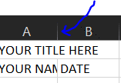
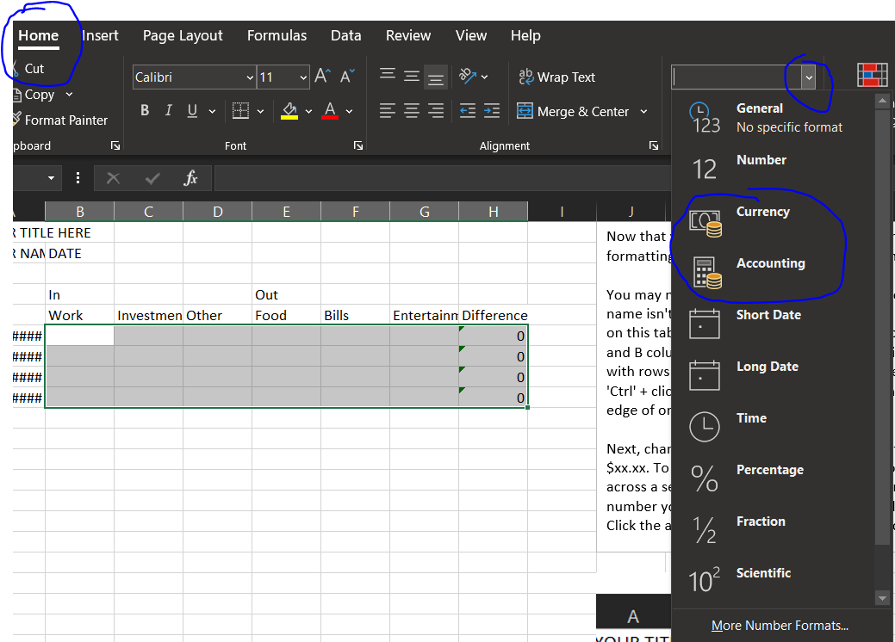
Now that you have the basics of the spreadsheet set up, it's time to add formatting. This will make the spreadsheet more readable and easier to use.
You may notice straight away that the date cells are showing #####, or that your name isn't showing up fully. This is because I reset the column widths to default on this tab. The easiest way to fix this is to double click the line between the A and B columns in the header. This will auto-fit the column. You can also do this with rows and, if you wish to auto-fit multiple columns, you can select them by 'Ctrl' + clicking the columns you wish to fit and then pressing the line on the right edge of one of the columns you clicked.
Next, change the number formatting so that the numbers you put in show us as $xx.xx. To do this, select the cells you wish to format (click and hold then drag across a selection). Once select go to the 'Home' tab up in the ribbon, under number you will find a box that says 'General' with a dropdown arrow to its right. Click the arrow and then select either currancy or accounting.
Second to last, adding borders to help break up the cells to allow you to differentiate between categories. First, select the cells you wish to put a border around. Then, all you have to do is press 'Ctrl' + 'Shift' + '7'. Alternatively, you can go to the 'Home' tab in the ribbon, then under 'font' you will see a box with some dotted and solid lines. If you click the dropdown arrow to the right of this, you will see a list of options for borders to select from.
You now have set up a basic spending tracker spreadsheet and have the skills you need to build any other basic spreadsheet. Go to the next tab to have a go at recreating this without any help or open a new spreadsheet to create your own. You can find more tutorials to help you develope more complicated spreadsheets at www.engineeringfinance.co.nz.
YOUR TITLE HERE
YOUR NAME HERE | DATE

 | In |  |  | Out
Date | Work | Investments | Other | Food | Bills | Entertainment | Difference
2020-08-28 |  |  |  |  |  |  | 0
2020-08-29 |  |  |  |  |  |  | 0
2020-08-30 |  |  |  |  |  |  | 0
2020-08-31 |  |  |  |  |  |  | 0

